2.1
Date | City | Product | Sales | # Question 1: Create a pivot table from the given DataFrame to show the total sales by city and product.
2021-01-01 | Bangkok | A | 100
2021-01-01 | Chiangmai | B | 200 | Sum of Sales | Column Labels |  |  | Sum of Sales | Column Labels
2021-01-01 | Bangkok | B | 150 | Row Labels | A | B | Grand Total | Row Labels | A | B | Grand Total
2021-01-01 | Chiangmai | A | 300 | Bangkok | 1200 | 950 | 2150 | Bangkok | 1200 | 950 | 2150
2021-01-02 | Bangkok | A | 250 | Chiangmai | 1250 | 1250 | 2500 | Chiangmai | 1250 | 1250 | 2500
2021-01-02 | Chiangmai | B | 150 | Grand Total | 2450 | 2200 | 4650 | Grand Total | 2450 | 2200 | 4650
2021-01-02 | Bangkok | B | 200
2021-01-02 | Chiangmai | A | 250
2021-01-03 | Bangkok | A | 300 | # Question 2: Create a pivot table to show the average sales by product and date, and add a column to show the percentage change in sales from the previous date for each product.
2021-01-03 | Chiangmai | B | 350
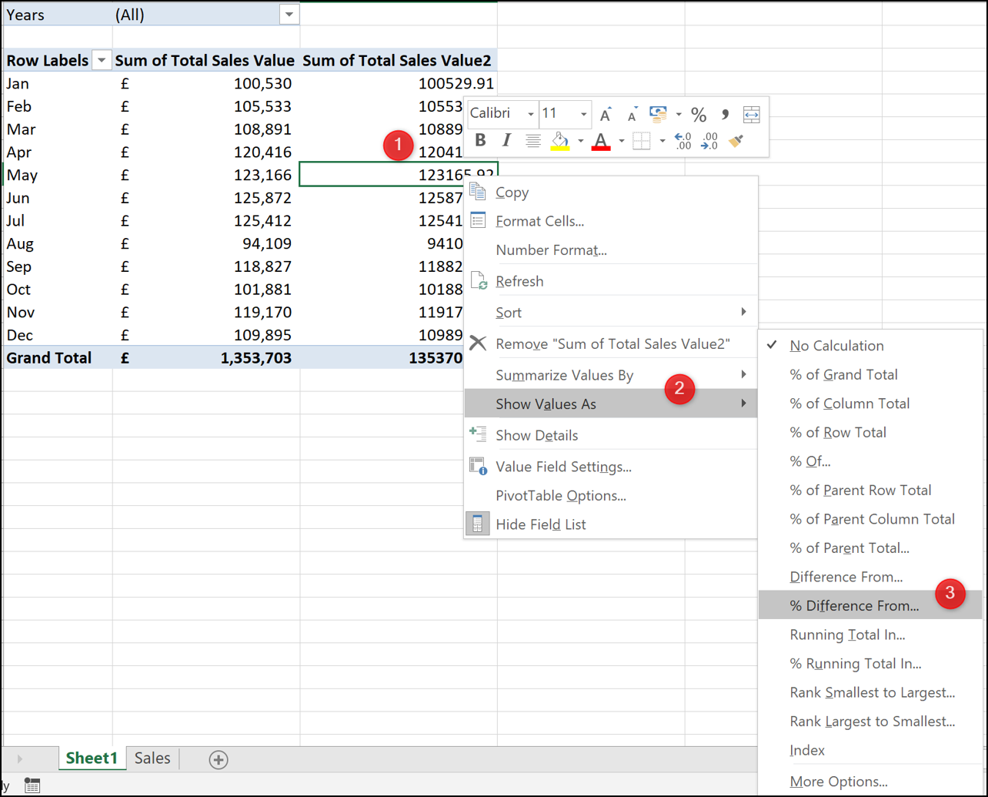
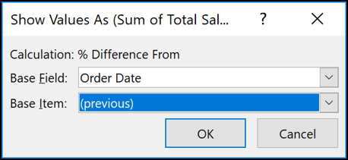
2021-01-03 | Bangkok | B | 150
2021-01-03 | Chiangmai | A | 250 | Row Labels | Sum of Sales | Sum of Sales2 |  | Row Labels | Average of Sales | Average of Sales2
2021-01-04 | Bangkok | A | 200 | A | 2450 | 2450 |  | A | 245 | 245
2021-01-04 | Chiangmai | B | 300 | 2021-01-01 | 400 | 400 |  | 2021-01-01 | 200 | 200
2021-01-04 | Bangkok | B | 250 | 2021-01-02 | 500 | 500 |  | 2021-01-02 | 250 | 250
2021-01-04 | Chiangmai | A | 150 | 2021-01-03 | 550 | 550 |  | 2021-01-03 | 275 | 275
2021-01-05 | Bangkok | A | 350 | 2021-01-04 | 350 | 350 |  | 2021-01-04 | 175 | 175
2021-01-05 | Chiangmai | B | 250 | 2021-01-05 | 650 | 650 |  | 2021-01-05 | 325 | 325
2021-01-05 | Bangkok | B | 200 | B | 2200 | 2200 |  | B | 220 | 220
2021-01-05 | Chiangmai | A | 300 | 2021-01-01 | 350 | 350 |  | 2021-01-01 | 175 | 175
 |  |  |  | 2021-01-02 | 350 | 350 |  | 2021-01-02 | 175 | 175
 |  |  |  | 2021-01-03 | 500 | 500 |  | 2021-01-03 | 250 | 250
 |  |  |  | 2021-01-04 | 550 | 550 |  | 2021-01-04 | 275 | 275
 |  |  |  | 2021-01-05 | 450 | 450 |  | 2021-01-05 | 225 | 225
 |  |  |  | Grand Total | 4650 | 4650 |  | Grand Total | 232.5 | 232.5

 |  |  |  | Row Labels | Sum of Sales | Difference from previos day |  | Row Labels | Average of Sales | Average of Sales2
 |  |  |  | A | 2450 |  |  | A | 245
 |  |  |  | 2021-01-01 | 400 |  |  | 2021-01-01 | 200
 |  |  |  | 2021-01-02 | 500 | 25.00% |  | 2021-01-02 | 250 | 0.25
 |  |  |  | 2021-01-03 | 550 | 10.00% |  | 2021-01-03 | 275 | 0.1
 |  |  |  | 2021-01-04 | 350 | -36.36% |  | 2021-01-04 | 175 | -0.36363636364
 |  |  |  | 2021-01-05 | 650 | 85.71% |  | 2021-01-05 | 325 | 0.85714285714
 |  |  |  | B | 2200 |  |  | B | 220
 |  |  |  | 2021-01-01 | 350 |  |  | 2021-01-01 | 175
 |  |  |  | 2021-01-02 | 350 | 0.00% |  | 2021-01-02 | 175 | 0
 |  |  |  | 2021-01-03 | 500 | 42.86% |  | 2021-01-03 | 250 | 0.42857142857
 |  |  |  | 2021-01-04 | 550 | 10.00% |  | 2021-01-04 | 275 | 0.1
 |  |  |  | 2021-01-05 | 450 | -18.18% |  | 2021-01-05 | 225 | -0.18181818182
 |  |  |  | Grand Total | 4650 |  |  | Grand Total | 232.5

 |  |  |  | # Question 3: Create a pivot table to show the total sales by city and product, and add a column to show the percentage of the total sales contributed by each product for each city.

 |  |  |  | Sum of Sales | Column Labels |  |  | Sum of Sales | Column Labels
 |  |  |  | Row Labels | A | B | Grand Total | Row Labels | A | B | Grand Total
 |  |  |  | Bangkok | 55.81% | 44.19% | 100.00% | Bangkok | 0.55813953488 | 0.44186046512 | 1
 |  |  |  | Chiangmai | 50.00% | 50.00% | 100.00% | Chiangmai | 0.5 | 0.5 | 1
 |  |  |  | Grand Total | 52.69% | 47.31% | 100.00% | Grand Total | 0.52688172043 | 0.47311827957 | 1

